Sheet1
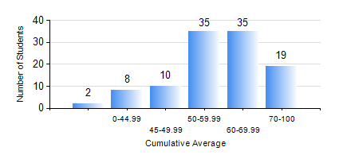
 |  |  | KWAME NKRUMAH UNIVERSITY OF SCIENCE AND TECHNOLOGY, KUMASI Department of Geological Engineering

 |  |  | BSC. GEOLOGICAL ENG.

 |  |  | COMPREHENSIVE RECORD OF EXAMINATION RESULTS

 |  |  | RESULTS OF YEAR 3 SECOND SEMESTER, 2024/2025 ACADEMIC YEAR

 | Sn | Course Code |  | Course Name | Credit Hours | Min. Mark | Max. Mark | Avg. Mark | Std. Dev. | No. Passed | No. Trailed | No. (Df) | No. (I) | No. (I*) | No. Tagged(I,I*,Df) | Total
 | 0. |  |  |  |  |  |  | 0 | 0 | 0 | 0 | 0 | 0 | 0 | 0 | 5
 | 1. | GED 262 |  | INTRODUCTION TO SOIL MECHANICS | 2 | 28 | 68 | 49 | 10.77 | 12 | 2 | 1 | 0 | 0 | 1 | 15
 | 2. | GED 342 |  | MINING PRINCIPLES | 2 | 16 | 94 | 73 | 15.96 | 101 | 2 | 0 | 0 | 0 | 1 | 104
 | 3. | GED 352 |  | PRINCIPLES OF GEOCHEMISTRY | 2 | 15 | 95 | 70 | 15.94 | 99 | 5 | 0 | 0 | 0 | 0 | 104
 | 4. | GED 354 |  | PRINCIPLES OF GEOPHYSICS | 3 | 21 | 92 | 66 | 15.21 | 93 | 6 | 5 | 0 | 0 | 5 | 104
 | 5. | GED 364 |  | STRUCTURAL GEOLOGY | 3 | 20 | 87 | 55 | 15.92 | 91 | 12 | 1 | 0 | 0 | 1 | 104
 | 6. | GED 366 |  | MINERAL ECONOMICS AND EVALUATION | 3 | 9 | 84 | 70 | 12.1 | 103 | 1 | 0 | 0 | 0 | 0 | 104
 | 7. | GED 368 |  | GIS APPLICATIONS | 2 | 14 | 89 | 53 | 18.82 | 74 | 30 | 0 | 0 | 0 | 0 | 104
 | 8. | GED 370 |  | FOUNDATION ENGINEERING | 3 | 17 | 91 | 58 | 18.39 | 88 | 15 | 1 | 0 | 0 | 1 | 104

